Sheet1
 | Document No. |  | Issue No. | Issue Date |  |  | Review and Replace Date |  |  | Authorised By
 | GFF185MC |  | 2 | 22.07.2020 |  |  | 2021-02-22 |  |  | Magda Shah
 | Document Title |  | CHICKEN TIKKA SAMOSA 100G
Document amendments reason for change | Shelf life updated |  |  |  |  | Page 1 of 1 |  | Previous Issue Date | 2020-07-22 | Uncontrolled copy unless signed original

CCSAL-G6T & CCSAL-1G6T |  | GAZEBO BRAND |  |  | CHICKEN TIKKA SAMOSA 100G

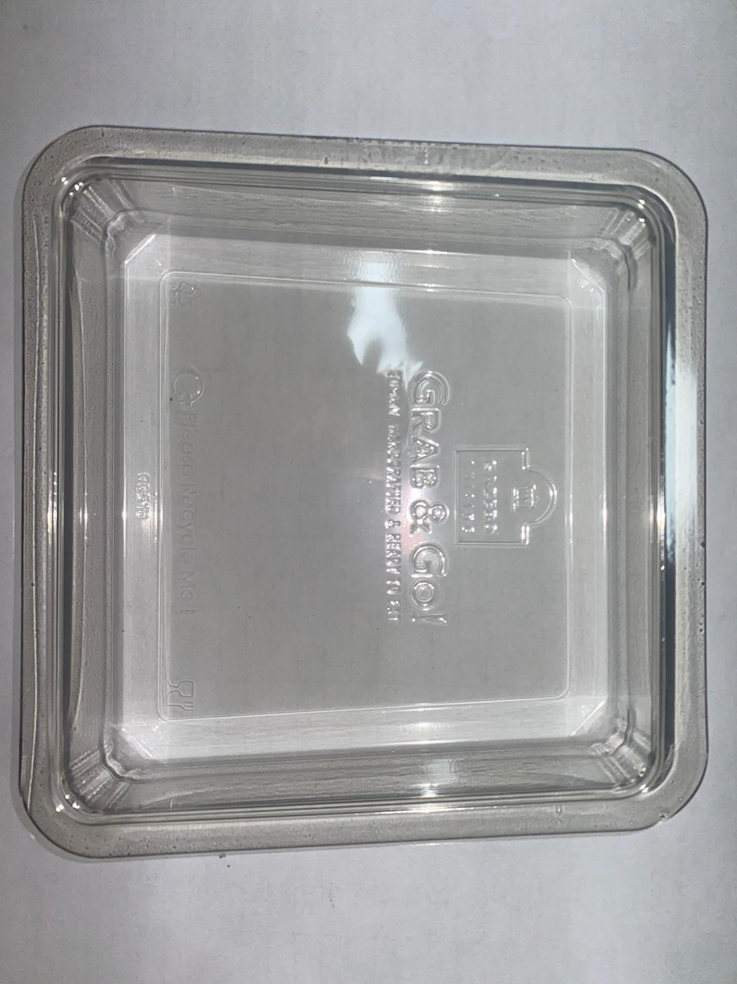 |  |  |  |  |  | 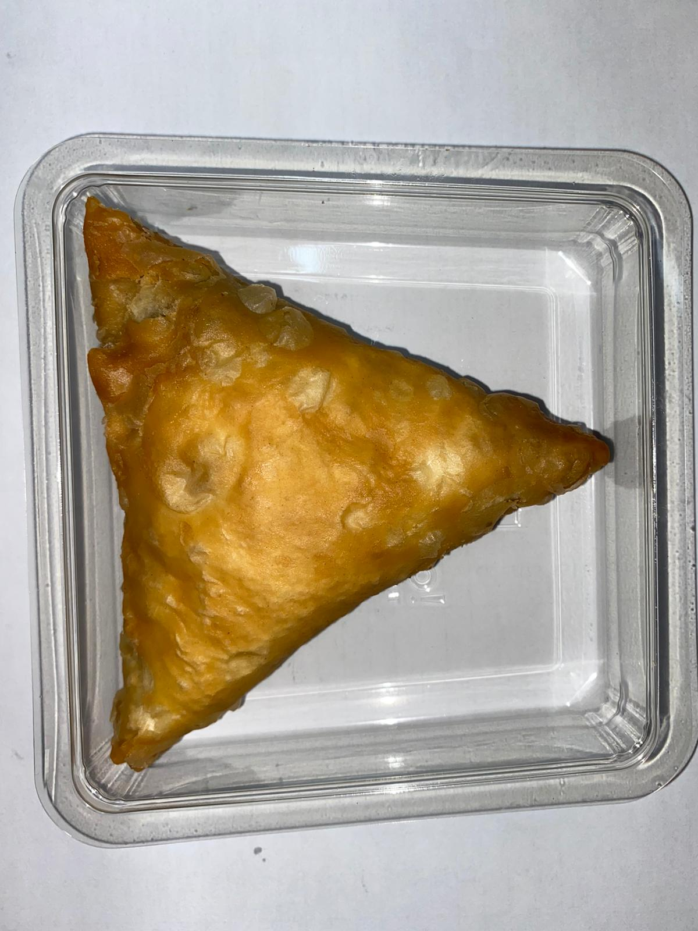

Tray: Clear Trapezoid Tray (PKLEE001-02) |  |  |  |  |  | CHICKEN TIKKA SAMOSA (GFF004R) 100 g
Line 1: Mylar 250LAF 250mm x 1000 (PKWRA001-08) Line 2: Mylar 25OLAF - 380mm wide (PKWRA001-02) |  |  |  |  |  | Total Weight: 100g
ALLERGY ALERT: SOYA, WHEAT

